Insert Specs
Insert Specifications

Magazine | Better Homes & Gardens
Trim Size | Depth | 275 | mm
 | Width | 210 | mm

This document is a guide only Inserts outside the specifications may be possible subject to testing samples

General Parameters (applies to all forms of inserts)

• All Measurements on this document are Depth x Width

• A minimum of 3% overs are required for waste on the binders

• All inserts are subject to meeting specifications and may require testing.

• Any products that cannot be mechanically inserted will require manual insertion.

• All inserts must adhere to the required Delivery Specifications.

Bound Insert Specifications

Sizes

Minimum untrimmed insert size: |  |  |  | Depth | 105 | mm
 |  |  |  | Width | 105 | mm
Includes 4mm head or foot trim. 3mm Gutter included for Perfect Bound Magazines

Maximum untrimmed insert size: |  |  |  | Depth | 283 | mm
 |  |  |  | Width | 217 | mm
Includes 4mm head, 4mm foot trim,4mm foredge trim. 3mm Gutter included for Perfect Bound Magazines

Paper Weight Requirements
 |  |  |  | Min |  | Max
Single Leaf Insert (Perfect Bound Only) |  |  |  | 115gsm |  | 250gsm
Four Page Insert |  |  |  | 100gsm |  | 250gsm
Eight Page Insert |  |  |  | 80gsm |  | 200gsm
Greater than Eight Pages |  |  |  | 54gsm |  | 170gsm

Please Note:

1. | The Minimum & Maximum sizes include (where applicable) 3mm spine grind plus 4mm head or foot trim allowance.

2. | When supplying bound inserts at the maximum size please ensure that all "live art" is at least 15mm from any edge.

3. | Folded inserts must have a closed head or foot (Pacific Production will confirm for you) to allow feeding onto the binder. Z fold inserts cannot be mechanically inserted.

4. | Any insert 16 pages or greater will need to be submitted for testing. Inserts with Gluing, diecuts or perforations will also need to be submitted for testing.

5. | It may be possible to mechanically insert products which fall outside the specifications - all subject to testing.

Loose Insert Specifications

Sizes

Minimum insert size: |  |  |  | Depth | 148 | mm
 |  |  |  | Width | 105 | mm

Maximum insert size: |  |  |  | Depth | 235 | mm
 |  |  |  | Width | 170 | mm

Paper Weight Requirements
 |  |  |  | Min |  | Max
Single Leaf Insert |  |  |  | 115gsm |  | 250gsm
Four Page Insert |  |  |  | 80gsm |  | 200gsm
Eight Page Insert |  |  |  | 60gsm |  | 170gsm
Greater than Eight Pages |  |  |  | 57gsm |  | 115gsm

Number of Loose Inserts per issue

Generally a maximum of 3 or 4 full run inserts per issue. Please ensure the cover date and on-sale date are known when making enquiries reqarding insertion into a specific issue.

Please Note:

1. | Folded inserts must have a closed edge to allow feeding onto the binder. Z fold inserts cannot be mechanically inserted.

2. | Any insert 16 pages or greater will need to be submitted for testing. Inserts with Gluing, diecuts or perforations will also need to be submitted for testing.

3. | It may be possible to mechanically insert products which fall outside the specifications - all subject to testing.

Tip-on Specifications

Sizes

Minimum tip-on size: |  |  |  | Depth | 60 | mm
 |  |  |  | Width | 40 | mm

Maximum tip-on size: |  |  |  | Depth | 215 | mm
 |  |  |  | Width | 150 | mm

Paper Weight Requirements
 |  |  |  | Min |  | Max
Single Leaf Insert |  |  |  | 130gsm |  | 300gsm
Four Page Insert |  |  |  | 80gsm |  | Subject to trial
Eight Page Insert |  |  |  | Subject to trial |  | Subject to trial
Greater than Eight Pages |  |  |  | Subject to trial |  | Subject to trial

Tip-on placement

If a multiple page tip-on is to be fixed to a left or right hand page, the closed edge (spine) of the product will be placed closest to the spine of the host product. If on a left hand page, this may cause the back page of the tip-on to be facing outwards from the page.

Positioning Specifics

The tip-on must be placed a minimum of 30mm from any edge of the host page.

Please Note:

1. | Tip-on glue can stain the page on certain paper stocks. Please take this into consideration when considering placement.

2. | A tip-on can encounter movement of upto 10mm in any direction from the desired position. Placement may vary from magazine to magazine.

3. | All wet sachet tip-on's must be pressure tested before being approved for insertion. An initial 10 samples are required. Please contact Pacific Magazines Production Department for "Wet Sachet Specifications"

4. | A sample of any tip-on should be submitted for approval before any confirmation is made.

Onsert Specifications (Front or Back Cover Tip-on)

Sizes

Minimum Onsert size: |  |  |  | Depth | 35 | mm
 |  |  |  | Width | 50 | mm

Maximum Onsert size: |  |  |  | Depth | 275 | mm
 |  |  |  | Width | 210 | mm

* Smaller size is possible - Subject to testing.

Paper Weight Requirements
 |  |  |  | Min |  | Max
Single Leaf Insert |  |  |  | 150gsm |  | 250gsm
Four Page Insert |  |  |  | 80gsm |  | 250gsm
Eight Page Insert |  |  |  | 60gsm |  | 200gsm
Greater than Eight Pages |  |  |  | 54gsm |  | 115gsm

Please Note:

1. | Tip-on glue can stain the page on certain paper stocks. Please take this into consideration when considering placement.

2. | Onserts can encounter movement of upto 10mm in any direction from the desired position. Placement may vary from magazine to magazine.

3. | All wet sachet tip-on's must be pressure tested before being approved for insertion. An initial 50 samples are required. Please contact Pacific Magazines Production Department for "Wet Sachet Specifications"

4. | A sample of any Onsert should be submitted for approval before any confirmation is made.

Delivery Specifications

Packaging

1. | Goods with laps or pasted areas must be packed to prevent sticking or curling.

2. | Inserts, Tip-on's & Onserts must be bundle the same way up.

3. | Stretch wrapping must be tight over the entire pallet.

4. | Pallets should be strapped with 4 straps (2 each way) with a pallet on top.

5. | Smaller inserts may be packed as described as per diagram below or flat in cartons.

6. | Sachets must be packed flat with separators, in a uniform direction, in shallow cartons which are 100mm deep.

7. | Cartons cannot exceed 10kg in weight.

8. | Loose inserts must be stacked and not logged.

9 | Minimum bundle turns of 75mm.

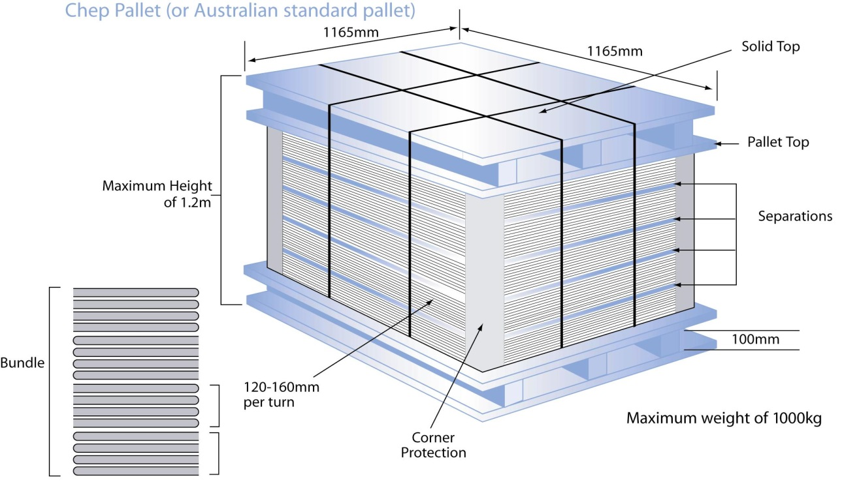

Labeling Instructions

1. | Pallet Labels are available on the Pacific Magazines Website.

2. | Pallet Labels should be on every pallet with all of the following information:

 | • Magazine Title

 | • Cover Date

 | • On-Sale Date

 | • Total Quantity of Insert

 | • Insert distribution of the product

 | • Quantity per Pallet/Carton

 | • Total number of Pallets/Cartons

 | • Weight of Pallet without inserts

 | • Weight of Pallet including inserts

Please note:

1. | Inserts that are not labeled correctly may be rejected for delivery.

2. | Inserts in an unsuitable condition may be rejected for delivery.

3. | Inserts must be delivered between 8am - 4pm, Monday to Friday.

4. | Late delivery of an insert may miss insertion into the booked issue.

